Sheet1
Haier AC – 1 Truckload – 22 plts | QTY | COST | EXT COST
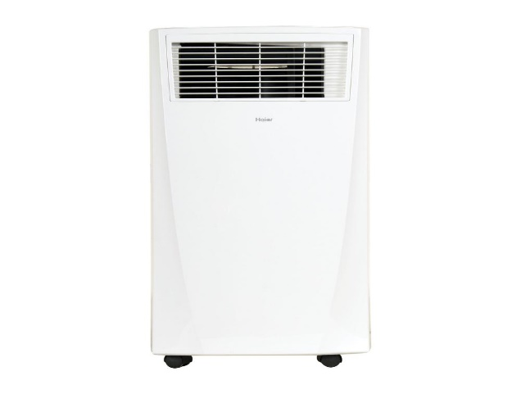
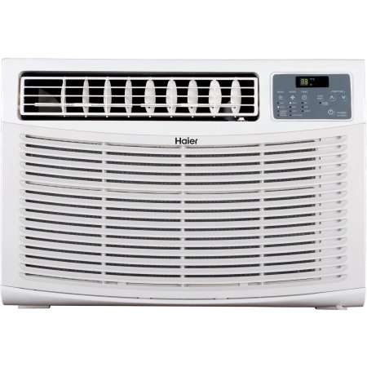
5K Window | 177 | $179.00 | $31,683.00

8K Portable | 119 | $279.99 | $33,318.81

8K Window | 36 | $199.00 | $7,164.00

6K Window | 6 | $169.99 | $1,019.94

18K Window | 1 | $399.00 | $399.00

12K Portable | 19 | $396.00 | $7,524.00
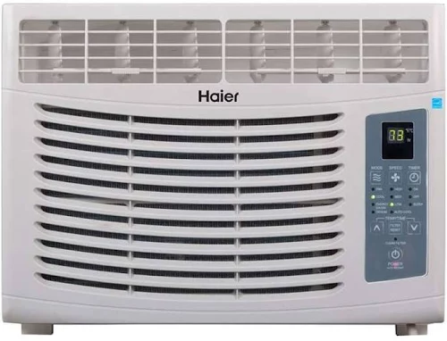
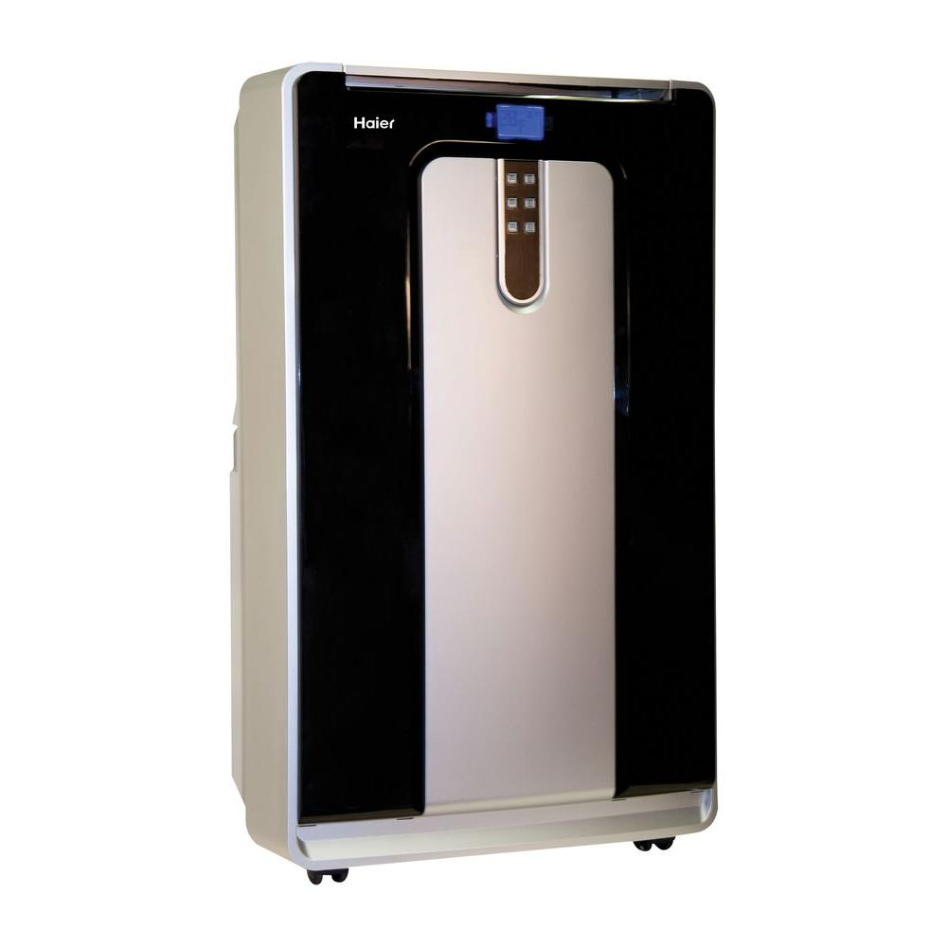
12K Window | 8 | $349.00 | $2,792.00

 | 366 |  | $83,900.75

